Master
X | Real CH | Predicted CH | Stepwise CH | Biweekly CH
111 | 0.24 | 0.21 | 0.2 | 0.2
116 | 0.36 | 0.23 |  | 0.16
121 | 0.235 | 0.33
124 | 0.41 | 0.22

Cluster 5
 | Real CH | Predicted CH | Stepwise CH | Biweekly CH
111 | 0.24 | 0.21 | 0.2 | 0.2
116 | 0.36 | 0.23 |  | 0.16
121 | 0.235 | 0.33
124 | 0.41 | 0.22

Cluster All
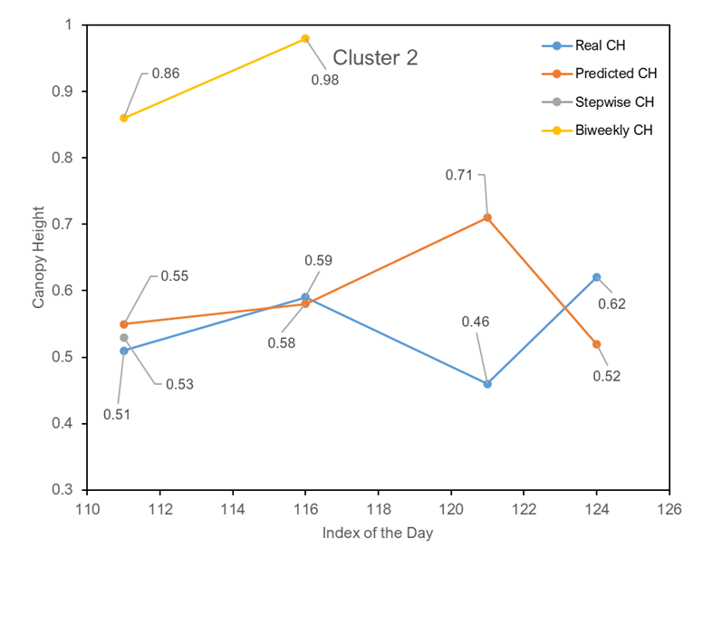
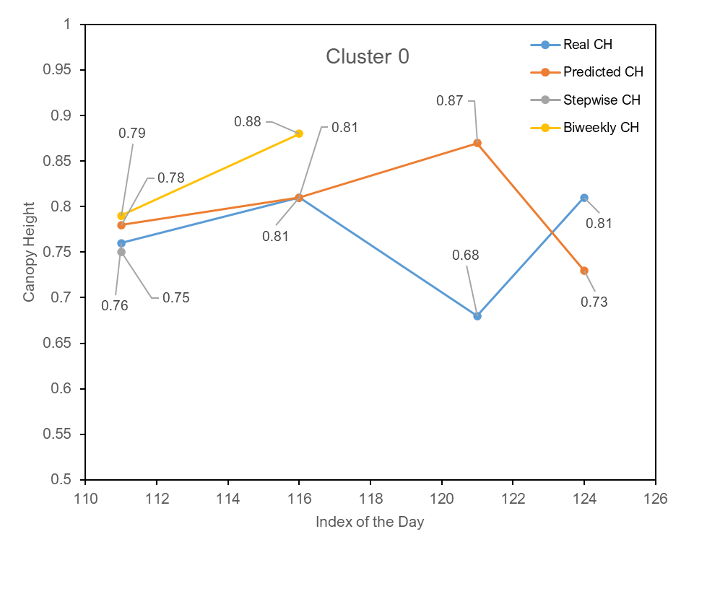
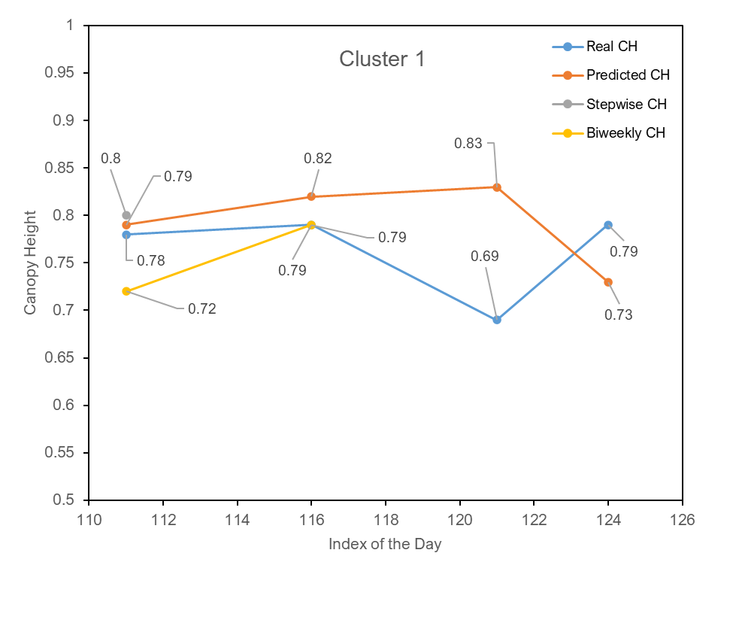
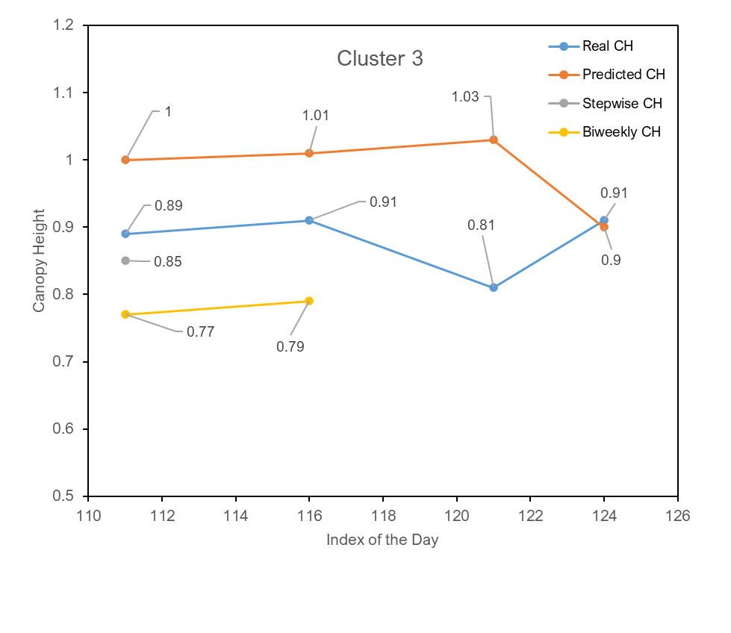
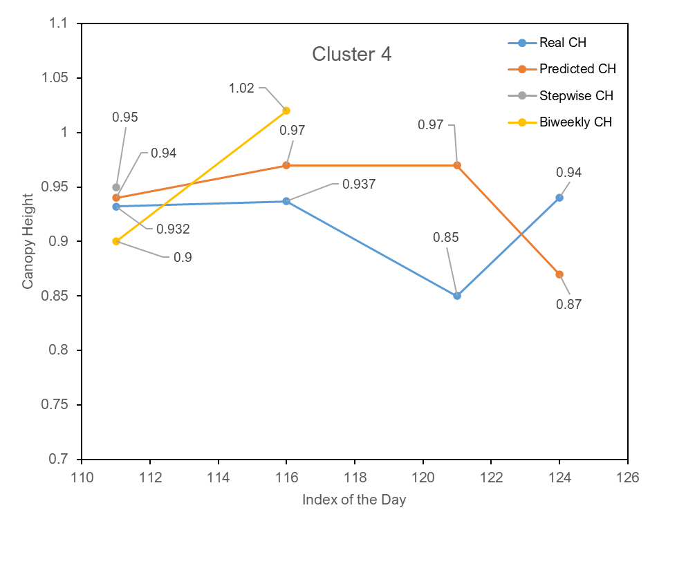
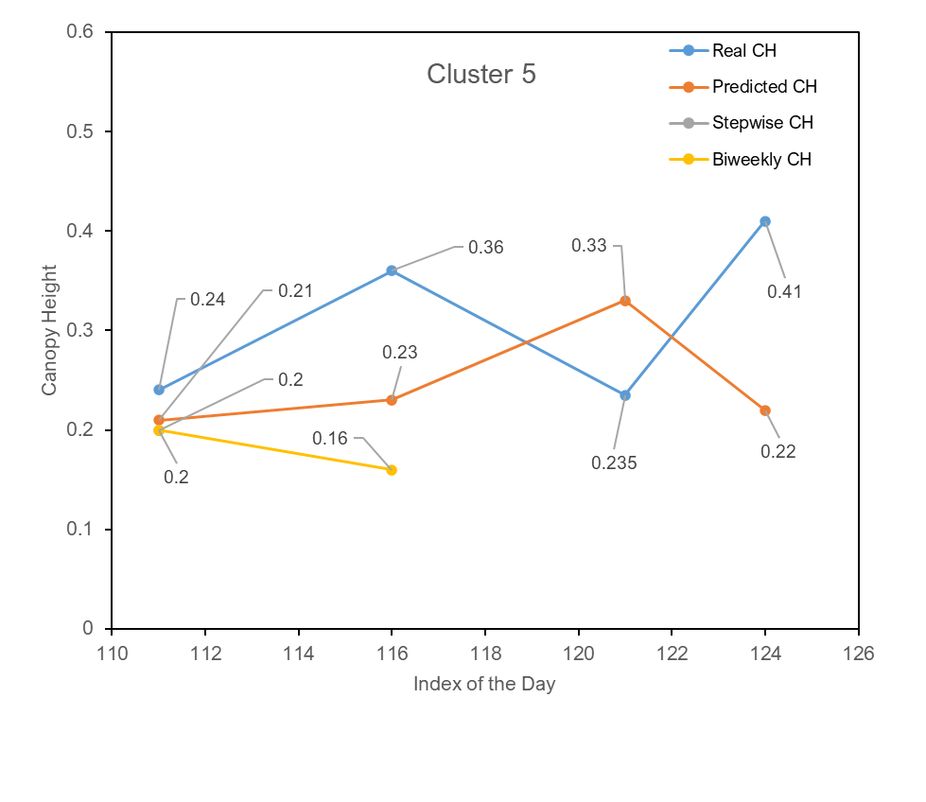
Cluster 0
Index of day to predict | Real value | All predicted values | Stepwise predicted value | Biweekly predictions
111 | 0.76 | 0.78 | 0.75 | 0.79
116 | 0.81 | 0.81 |  | 0.88
121 | 0.68 | 0.87
124 | 0.81 | 0.73

Cluster 1
Index of day to predict | Real value | All predicted values | Stepwise predicted value | Biweekly predictions
111 | 0.78 | 0.79 | 0.8 | 0.72
116 | 0.79 | 0.82 |  | 0.79
121 | 0.69 | 0.83
124 | 0.79 | 0.73

Cluster 2
Index of day to predict | Real value | All predicted values | Stepwise predicted value | Biweekly predictions
111 | 0.51 | 0.55 | 0.53 | 0.86
116 | 0.59 | 0.58 |  | 0.98
121 | 0.46 | 0.71
124 | 0.62 | 0.52

Cluster 3
Index of day to predict | Real value | All predicted values | Stepwise predicted value | Biweekly predictions
111 | 0.89 | 1 | 0.85 | 0.77
116 | 0.91 | 1.01 |  | 0.79
121 | 0.81 | 1.03
124 | 0.91 | 0.9

Cluster 4
111 | 0.932 | 0.94 | 0.95 | 0.9
116 | 0.937 | 0.97 |  | 1.02
121 | 0.85 | 0.97
124 | 0.94 | 0.87

Cluster 5
Index of day to predict | Real value | All predicted values | Stepwise predicted value | Biweekly predictions
111 | 0.24 | 0.21 | 0.2 | 0.2
116 | 0.36 | 0.23 |  | 0.16
121 | 0.235 | 0.33
124 | 0.41 | 0.22

Cluster 2
